examples
FREE BIT.LY:
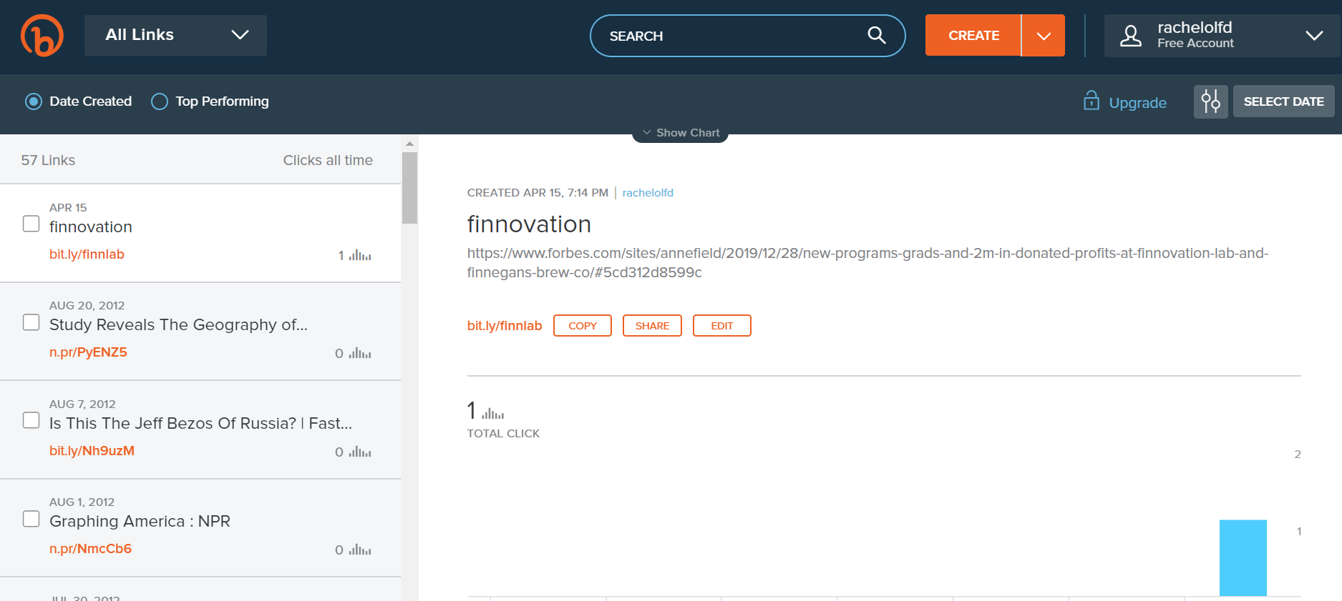

UPGRADE - DASHBOARD:

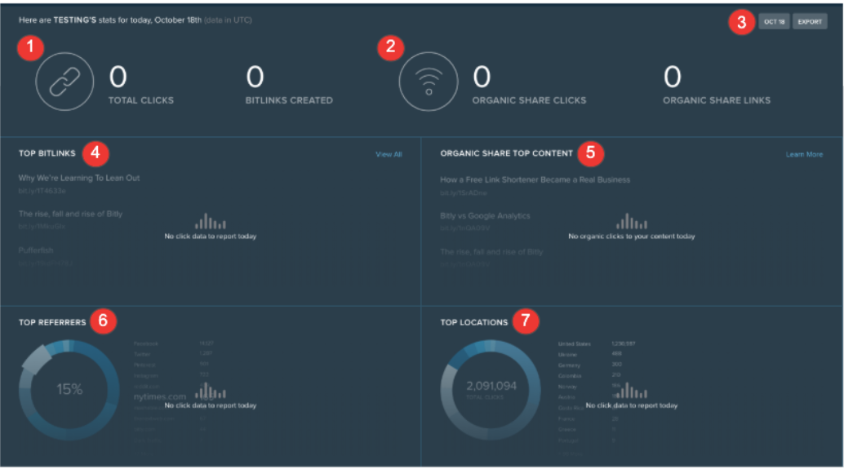

TOTAL CLICKS - Clicks all of your short links have received.
BITLINKS CREATED - Links you and your team members have shortened.
ORGANIC SHARE CLICKS - Clicks generated by short links created outside of your Bitly account. For example, a link shortened by an influencer or a follower of your brand.
ORGANIC SHARE LINKS - Links shortened in Bitly, but outside of your account.
Date range selector - A calendar selector to enter a date range for the dashboard metrics.
EXPORT - Exports the metrics above into a CSV file.
TOP BITLINKS - The most-clicked short links that have been created by your Bitly account.
ORGANIC SHARE TOP CONTENT - The most-clicked short links created in Bitly by people outside of your account.
TOP REFERRERS - The top referrers generating clicks to your Bitly link traffic.
TOP LOCATIONS - The top countries and cities generating clicks to your Bitly short links.

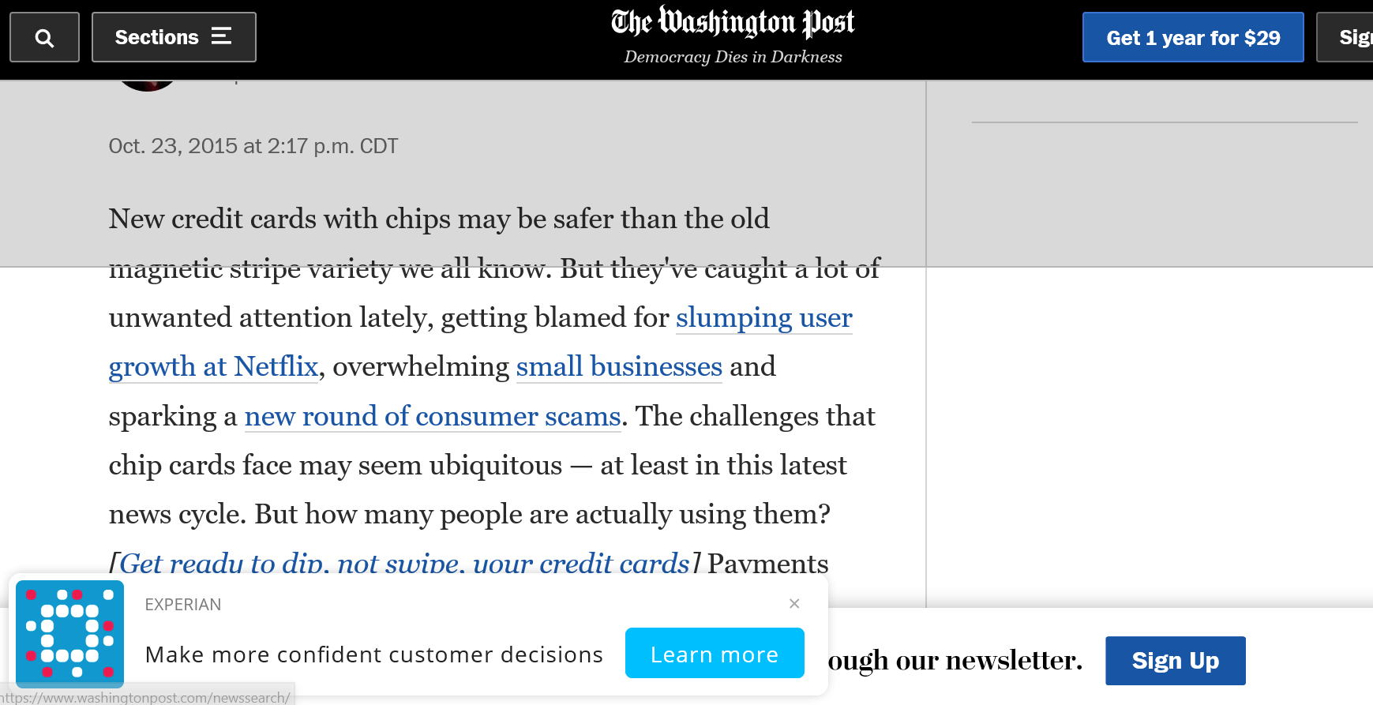
SNIP.LY

